Template Help
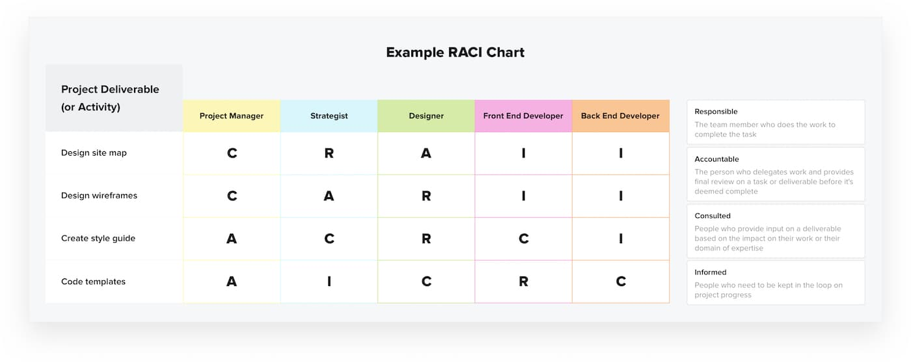
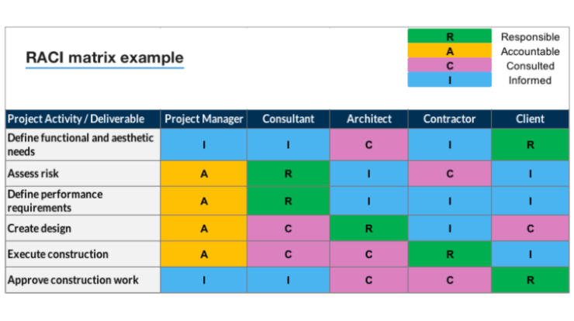
Overview / grading requirements:
A RACI chart (sometimes called a Responsibility Assignment Matrix) is a way to identify your project teams' roles and responsibilities for any task, milestone, or project deliverable.
No matter the project size, roles, and responsibilities should be clearly defined. The RACI Matrix is a great way to define and assign these responsibilities.
The Matrix charts who is Responsible, who is Accountable, who is Consulted, and who should be Informed for each task.
In practice, it's a simple spreadsheet or table that lists all stakeholders on a project and their level involvement in each task, denoted with the letters R, A, C or I

Helpful Links:
https://thedigitalprojectmanager.com/projects/raci-chart-made-simple/

Example:

